Screenshots
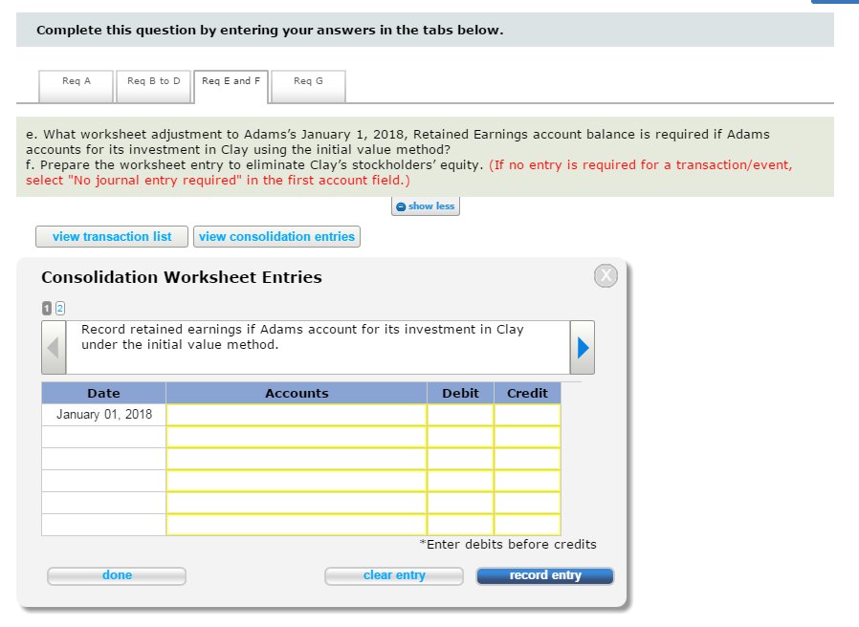
E2-11
 | Graded cells under the "Item" column should use the COA for this chapter.
 | Graded cells for the first column in the Assets, Liabilities, and Net Income columns should be numerical
 | Graded cells for the first column in the Assets, Liabilities, and Net Income columns should include only OS, US, and NE
 | Provide in red (If there is no effect for a particular item in the Assets, Liabilities, or Net Income columns, select "NE".) and grade the numercial cells with 0 or blank.

 |  | Item | Assets |  | Liabilities |  | Net Income
 | 1 | Supplies inventory | $9,000.00 | OS |  | NE | $9,000.00 | OS

P2-13
 | For the Accounts to be adjusted section ONLY (the rest of the table should be built to match the SM/Text)
 | Instruct students that counterbalancing error should be selected if there is one, and No correction needed if there is none needed for that type of error and place it in the "Dr. Account" column only.

 |  |  | Accounts to be adjusted
 |  |  | Dr. Account | Amount | Cr. Account | Amount
 |  |  | Counterbalancing error
 |  |  | Counterbalancing error
 |  |  | Prepaid rent | $4,900 | Retained earnings | $4,900

P3-12
 |  | Requirement 2.
 |  | Determine whether Sapra has one performance obligation or two. If there are two performance obligations, allocate
 |  | the transaction price between the two performance obligations. (If there is only one obligation, do not input any amounts
 |  | for allocation. Round your answers to the nearest whole dollar.)

 | 2 | How many performance obligations does Sapra have? |  |  | 2 | Dropdown should have 1 and 2 as possible options
 |  | Allocation for obligation 1 |  |  | $283,333 | Shuffle group and a tolerance of +/- 1
 |  | Allocation for obligation 2 |  |  | $141,667 | Shuffle group and a tolerance of +/- 1

E5-6
 |  | Required:
 |  | Determine Gil Corporations initial current ratio and then compute the effect of each of the following
 |  | independent transactions on Gil's current ratio. (Round your answers to 2 decimal places. If a
 |  | transaction does not affect Gil's current ratio, select "is not affected" from the dropdown list.)

 | 1 | What is Gil's initial current ratio?
 | 2 | What is the effect on Gil's current ratio if a refinancing on a $30,000 long-term mortgage with a short-term note occurs?
 | 3 | What is the effect on Gil's current ratio if a purchase of $50,000 of merchandise inventory with short-term accounts payable occurs?
 | 4 | What is the effect on Gil's current ratio if a payment of $20,000 of short-term accounts payable occurs?
 | 5 | What is the effect on Gil's current ratio if a collection of $10,000 of short-term accounts receivable occurs?

 | 1 | Gil's initial current ratio is |  |  | 0.50
 | 2 | Current ratio | decreases | to | 0.43
 | 3 | Current ratio | increases | to | 0.61
 | 4 | Current ratio | decreases | to | 0.44
 | 5 | Current ratio | is not affected | to |  | This cell should be correct whether blank or zero

 |  | Dropdown choices:
 |  | increases
 |  | decreases
 |  | is not affected

P9-14 |  | Requirement 2

 |  | SIROTKA RETAIL COMPANY
 |  | Income Statements for Years Ending 2015 to 2017
 |  |  | 2015 | 2016 | 2017 |  | Dropdown List 1 (Yes to DD policy) |  | DD List 2 (No DD Policy) | DD List 2 (No DD Policy)
 |  | Sales revenue |  |  |  |  | Cost of goods sold |  | Net income | Gross margin
 |  | Cost of goods sold |  |  |  |  | Depreciation expense |  | Net loss | Pre-tax income
 |  | Gross margin |  |  |  |  | Operating expenses
 |  | Operating expenses |  |  |  |  | Rent expense
 |  | Pre-tax income |  |  |  |  | Sales revenue
 |  | Tax expense |  |  |  |  | Tax expense
 |  | Net income

E16-11
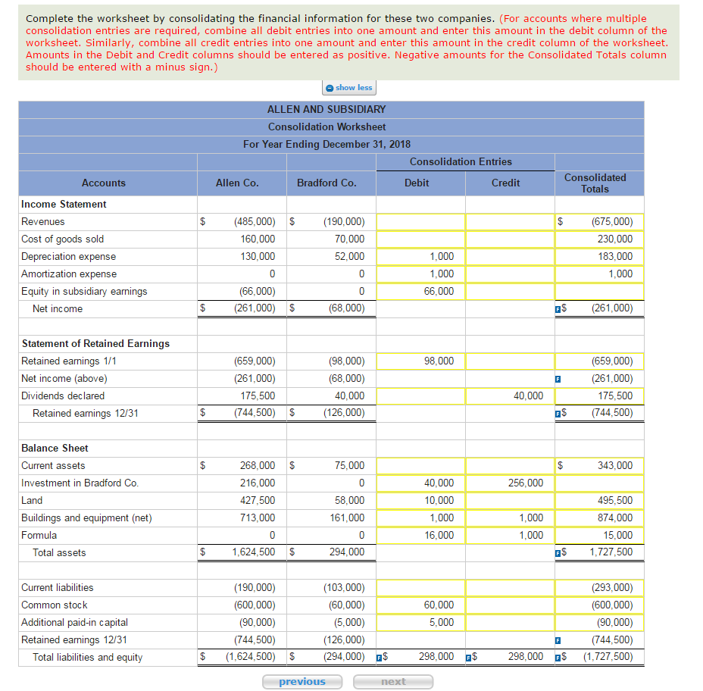

E16-19

